Sheet1
Eq.ratio | Flame temp.(K) | CO2 Mole fraction | CO Mole fraction | NO Mole fraction
0.5 | 1506.48 | 0.06879 | 0 | 0.00086
0.75 | 1965.51 | 0.10086 | 0.00045 | 0.00323
1 | 2269.6 | 0.11753 | 0.0141 | 0.00244
1.25 | 2166.72 | 0.08448 | 0.07135 | 0.00013
1.5 | 1969.62 | 0.05678 | 0.11952 | 0.00001
 |  | Jet-A

Jet-A + 20%ethanol vs Pure Jet - A
 |  | Ethanol
Eq.ratio | Flame temp.(K) | CO2 Mole fraction | CO Mole fraction | NO Mole fraction
0.5 | 1479.52 | 0.06556 | 0 | 0.00072
0.75 | 1904.34 | 0.0948 | 0.00025 | 0.00257
1 | 2193.62 | 0.11246 | 0.00948 | 0.00171
1.25 | 2062 | 0.08403 | 0.05845 | 0.00006
1.5 | 1870.41 | 0.06409 | 0.09553 | 0

 |  | Methanol
Eq.ratio | Flame temp.(K) | CO2 Mole fraction | CO Mole fraction | NO Mole fraction
0.5 | 1474.75 | 0.06349 | 0 | 0.00069
0.75 | 1875.59 | 0.09057 | 0.00019 | 0.00225
1 | 2148.45 | 0.10778 | 0.00725 | 0.00136
1.25 | 2010.74 | 0.0835 | 0.04952 | 0.00004
1.5 | 1831.11 | 0.06801 | 0.07983 | 0

 |  | Jet-A + 20% ethanol |  |  |  | Pure Jet-A
Eq.ratio | Flame temp.(K) | CO2 Mole fraction | CO Mole fraction | NO Mole fraction | Eq.ratio | Flame temp.(K) | CO2 Mole fraction | CO Mole fraction | NO Mole fraction
0.5 | 1505.34 | 0.06866 | 0 | 0.00085 | 0.5 | 1506.48 | 0.06879 | 0 | 0.00086
0.75 | 1962.89 | 0.1006 | 0.00044 | 0.0032 | 0.75 | 1965.51 | 0.10086 | 0.00045 | 0.00323
1 | 2266.38 | 0.11734 | 0.01388 | 0.0024 | 1 | 2269.6 | 0.11753 | 0.0141 | 0.00244
1.25 | 2162.12 | 0.08449 | 0.07076 | 0.00013 | 1.25 | 2166.72 | 0.08448 | 0.07135 | 0.00013
1.5 | 1965.22 | 0.05718 | 0.11838 | 0.00001 | 1.5 | 1969.62 | 0.05678 | 0.11952 | 0.00001

 |  | Jet-A + 50% ethanol |  |  |  | Pure Jet-A
Eq.ratio | Flame temp.(K) | CO2 Mole fraction | CO Mole fraction | NO Mole fraction | Eq.ratio | Flame temp.(K) | CO2 Mole fraction | CO Mole fraction | NO Mole fraction
0.5 | 1495.96 | 0.06754 | 0 | 0.0008 | 0.5 | 1506.48 | 0.06879 | 0 | 0.00086
0.75 | 1941.43 | 0.09849 | 0.00036 | 0.00296 | 0.75 | 1965.51 | 0.10086 | 0.00045 | 0.00323
1 | 2239.9 | 0.11568 | 0.01212 | 0.00213 | 1 | 2269.6 | 0.11753 | 0.0141 | 0.00244
1.25 | 2124.84 | 0.08448 | 0.06603 | 0.00009 | 1.25 | 2166.72 | 0.08448 | 0.07135 | 0.00013
1.5 | 1929.65 | 0.06014 | 0.10948 | 0 | 1.5 | 1969.62 | 0.05678 | 0.11952 | 0.00001

 |  | Jet-A + 20% methanol |  |  |  | Pure Jet-A
Eq.ratio | Flame temp.(K) | CO2 Mole fraction | CO Mole fraction | NO Mole fraction | Eq.ratio | Flame temp.(K) | CO2 Mole fraction | CO Mole fraction | NO Mole fraction
0.5 | 1505.77 | 0.06867 | 0 | 0.00085 | 0.5 | 1506.48 | 0.06879 | 0 | 0.00086
0.75 | 1963.43 | 0.10062 | 0.00044 | 0.0032 | 0.75 | 1965.51 | 0.10086 | 0.00045 | 0.00323
1 | 2266.84 | 0.11734 | 0.01391 | 0.0024 | 1 | 2269.6 | 0.11753 | 0.0141 | 0.00244
1.25 | 2162.94 | 0.08451 | 0.07077 | 0.00013 | 1.25 | 2166.72 | 0.08448 | 0.07135 | 0.00013
1.5 | 1966.21 | 0.05719 | 0.11842 | 0.00001 | 1.5 | 1969.62 | 0.05678 | 0.11952 | 0.00001

 |  | Jet-A + 50% methanol |  |  |  | Pure Jet-A
Eq.ratio | Flame temp.(K) | CO2 Mole fraction | CO Mole fraction | NO Mole fraction | Eq.ratio | Flame temp.(K) | CO2 Mole fraction | CO Mole fraction | NO Mole fraction
0.5 | 1503.81 | 0.06835 | 0 | 0.00084 | 0.5 | 1506.48 | 0.06879 | 0 | 0.00086
0.75 | 1957.73 | 0.09999 | 0.00042 | 0.00313 | 0.75 | 1965.51 | 0.10086 | 0.00045 | 0.00323
1 | 2259.26 | 0.11682 | 0.01337 | 0.00232 | 1 | 2269.6 | 0.11753 | 0.0141 | 0.00244
1.25 | 2152.62 | 0.0846 | 0.06921 | 0.00012 | 1.25 | 2166.72 | 0.08448 | 0.07135 | 0.00013
1.5 | 1956.94 | 0.05827 | 0.11545 | 0.00001 | 1.5 | 1969.62 | 0.05678 | 0.11952 | 0.00001

Column1 | At 1 atm | Jet-A | Column2 | Column1 | At 10 atm | Jet-A | Column2
Flame temp.(K) | CO2 Mole fraction | CO Mole fraction | NO Mole fraction | Flame temp.(K) | CO2 Mole fraction | CO Mole fraction | NO Mole fraction
1965.51 | 0.10086 | 0.00045 | 0.00323 | 1970.71 | 0.10119 | 0.00015 | 0.00327

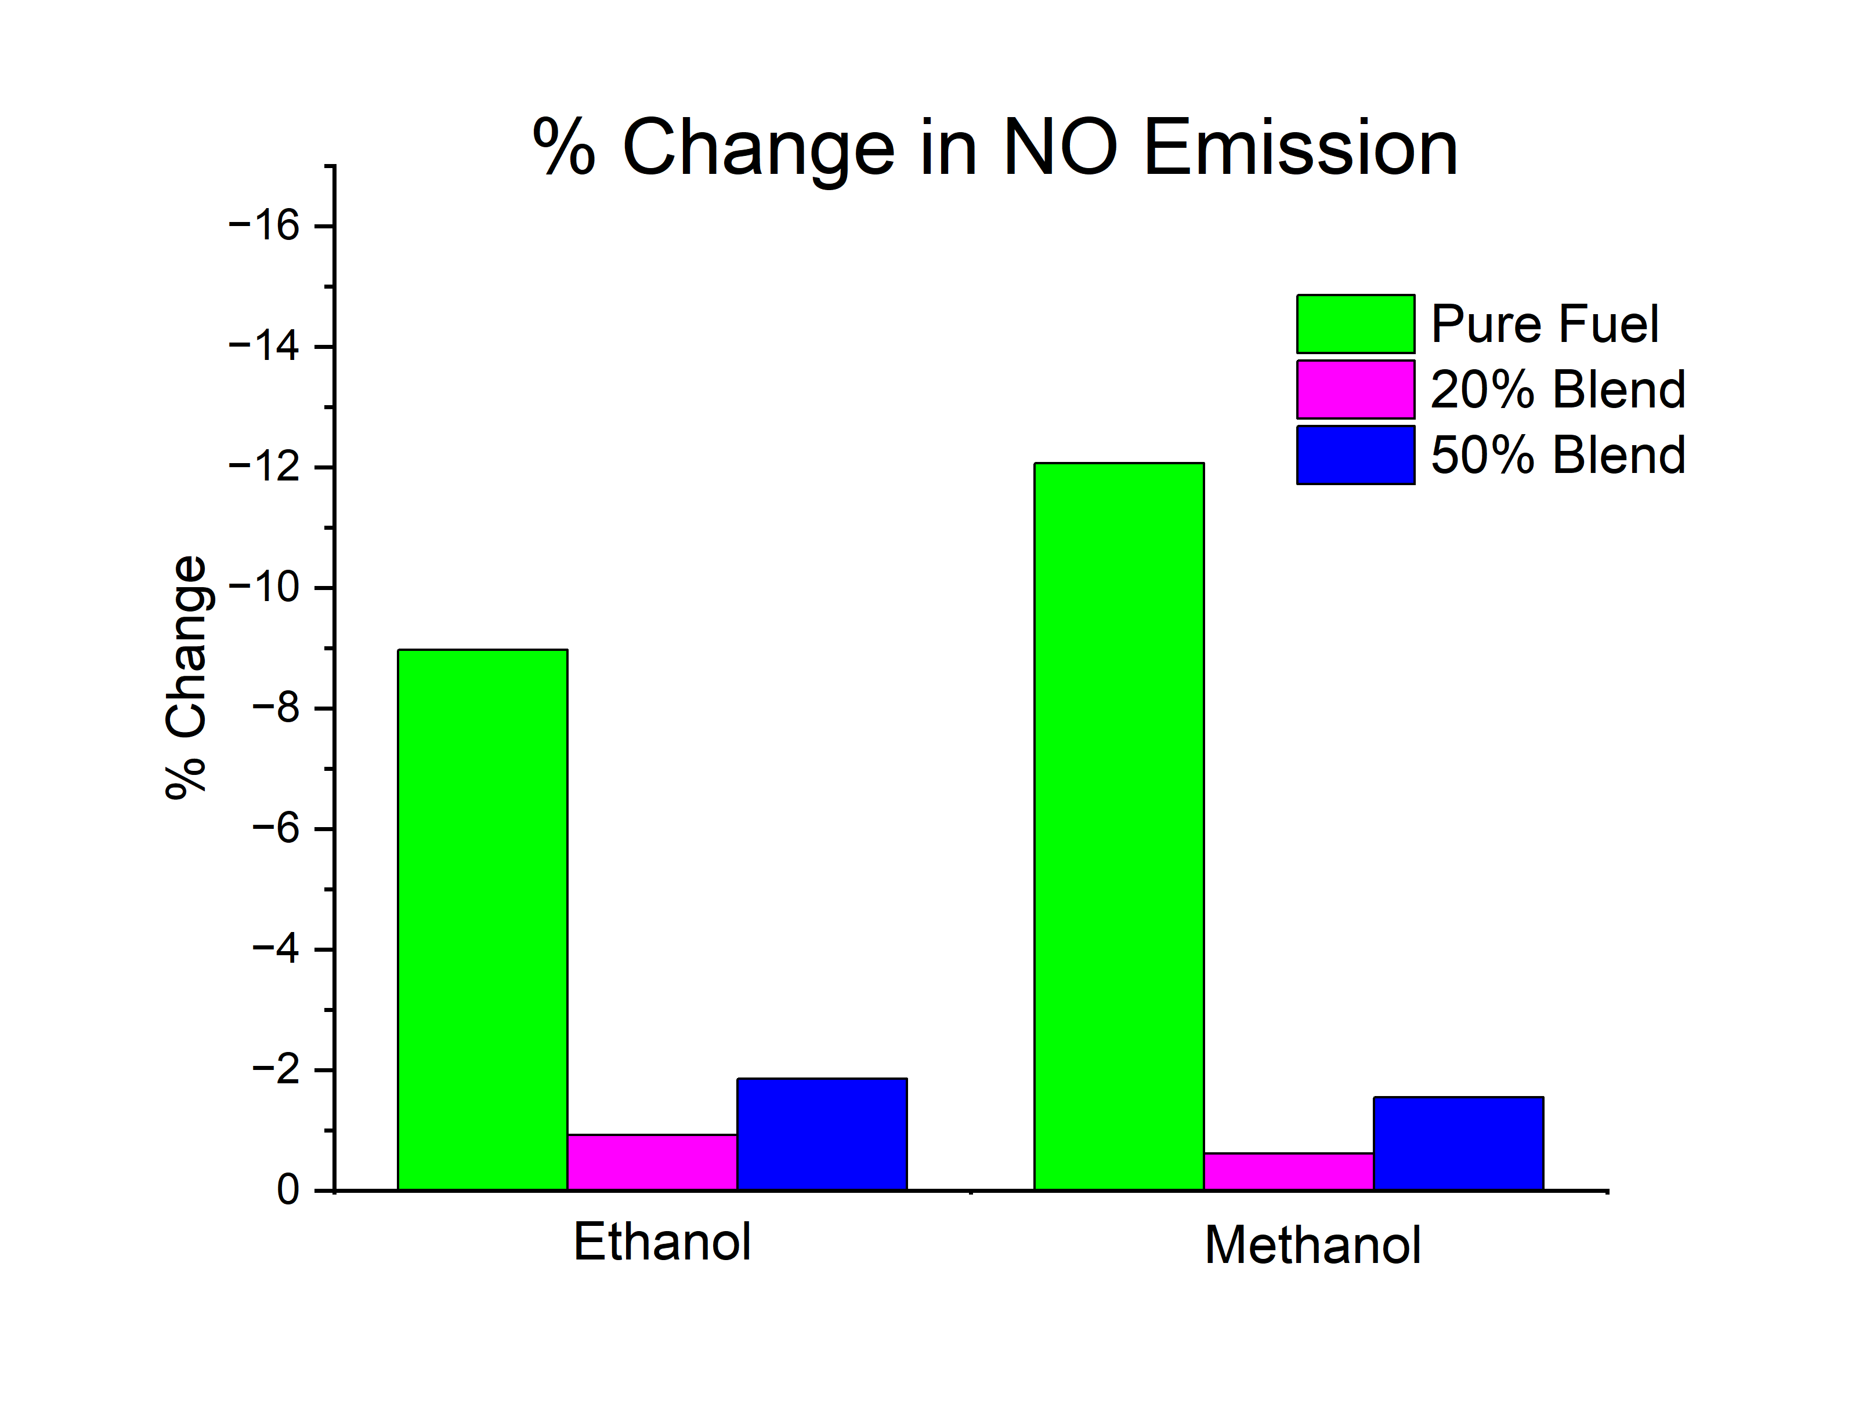

 | At 1 atm | ethanol |  |  | At 10 atm | ethanol
Flame temp.(K) | CO2 Mole fraction | CO Mole fraction | NO Mole fraction | Flame temp.(K) | CO2 Mole fraction | CO Mole fraction | NO Mole fraction
1904.34 | 0.0948 | 0.00025 | 0.00257 | 1908.1 | 0.09499 | 0.00008 | 0.0026

 | At 1 atm | Methanol |  |  | At 10 atm | Methanol
Flame temp.(K) | CO2 Mole fraction | CO Mole fraction | NO Mole fraction | Flame temp.(K) | CO2 Mole fraction | CO Mole fraction | NO Mole fraction
1875.59 | 0.09057 | 0.00019 | 0.00225 | 1878.89 | 0.09071 | 0.00006 | 0.00227

